Arcing Turn Calculations
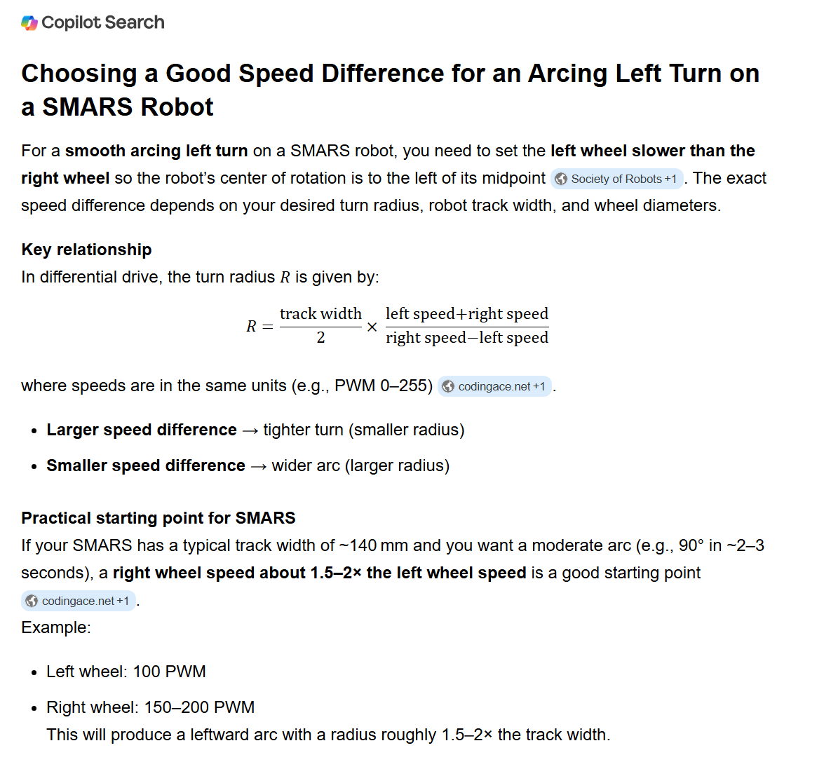

Society of Robots | https://www.societyofrobots.com/programming_differentialdrive.shtml

codingace.net | https://codingace.net/general/arduino_calculating_turn_degrees.html

codingace.net | https://codingace.net/general/arduino_calculating_turn_degrees.html

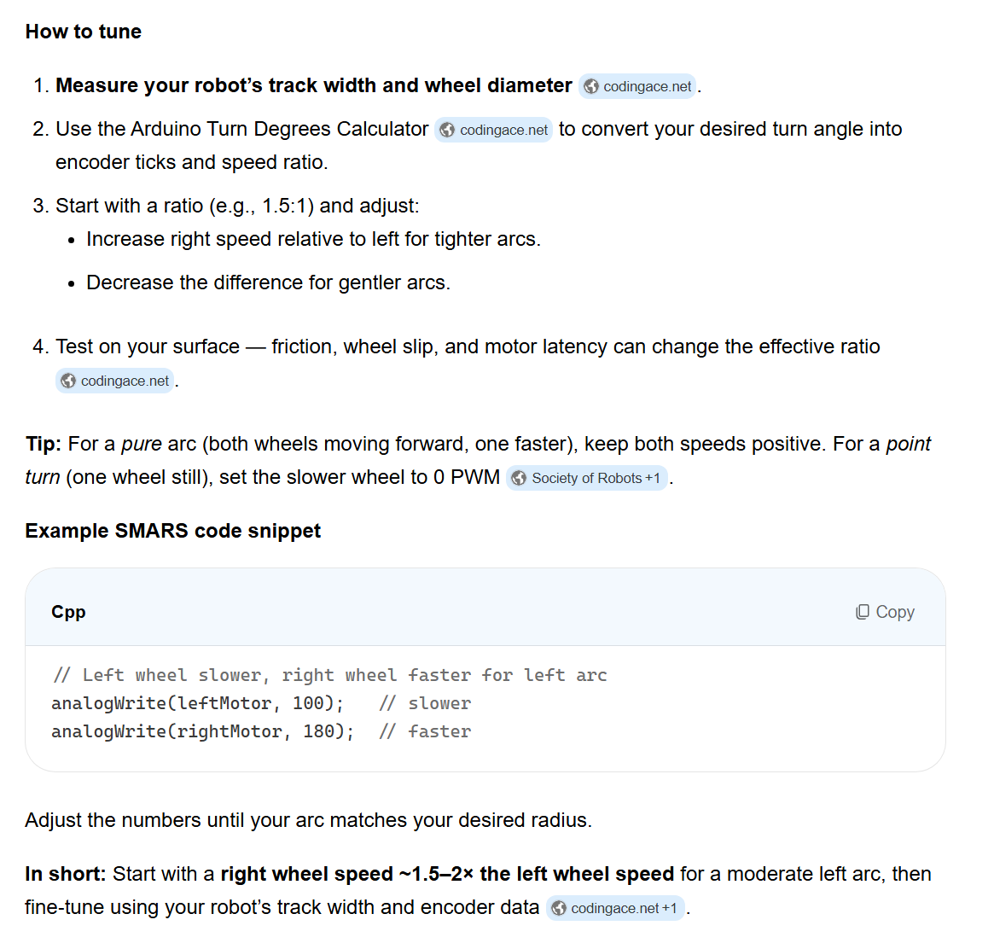

codingace.net | https://codingace.net/general/arduino_calculating_turn_degrees.html

Society of Robots | https://www.societyofrobots.com/programming_differentialdrive.shtml

codingace.net | https://codingace.net/general/arduino_calculating_turn_degrees.html

